Suggested Guidance
Overview

The ILPA Performance Template (the “Performance Template”) was developed to standardize return calculation methodologies in the private equity industry by creating a framework for capturing performance metrics and corresponding contributions/distributions.

To deliver the next evolution of ILPA quarterly reporting standards, this template was developed throughout 2024 and released in January 2025 as one critical deliverable of ILPA’s Quarterly Reporting Standards Initiative (QRSI).

Note: QRSI efforts also included an update to the ILPA Reporting Template, which can be found at the link below:

Updated ILPA Reporting Template (v. 2.0)

Guidance and Supplemental Resources

Refer to the links below to access the complete Suggested Guidance document, as well as all supplemental resources available on the ILPA website:

Suggested Guidance (PDF)
Supplemental Resources

The full Performance Template Suggested Guidance and Supplement Resources linked above provide the detailed context and clarifications to allow LPs, GPs and Service Providers to utilize the Performance Template most effectively. ILPA encourages interested parties to see the ILPA website (below) for the latest documentation. Additionally, please reach out to the Templates Support inbox below with any questions or suggestions for additional clarity.

www.ilpa.org
templatesupport@ilpa.org

Decision Tree

Two versions of the Performance Template exist. Both display the same fund and portfolio level performance metrics and cash flow data; however, the calculation methodology by which a user can calculate fund-level gross performance differs.

GPs should select the Performance Template that most closely aligns with how they call capital. Some GPs itemize each capital call (i.e., know at the time of the call if the capital will be used to finance an investment, pay management fees, etc.), whereas other GPs do not. The former group should use the “Granular Methodology”, and the latter group should use the “Gross Up Methodology."

This template contains the "Gross Up Methodology". Users seeking the "Granular Methodology" can access the correct template by clicking on the link below:

ILPA Performance Template - Granular Methodology (v. 1.0)

A decision tree is provided below to help users determine which Performance Template is best suited to their needs and calculation methodology.
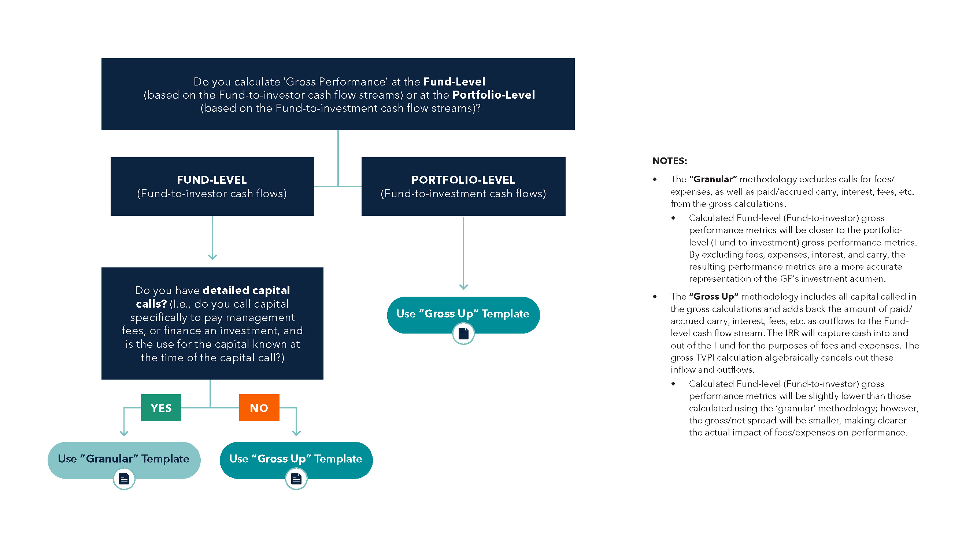

ILPA Performance Template - Gross Up Methodology (v. 1.0) – This packet was last updated on January 22, 2025

Template_Gross Up
Detailed Statement of Cash Flows
As of | 2024-06-30
Fund Reporting Currency | USD
Data Since Inception
 |  |  | Cumulative Fee-Paying LPs' Allocation of Total Fund |  |  |  | Fund Performance (Fund ↔ Investor Cash Flows)
Cash Flows |  | Transaction Description - Gross Up Methodology | Performance Treatment |  |  |  | Performance Measure | With Impact of Fund-level Subscription Facility |  | Without Impact of Fund-level Subscription Facility
Effective Date | Amount - Cumulative LP Allocation |  | Gross - With Impact of Fund-level Subscription Facility (Optional) | Net - With Impact of Fund-level Subscription Facility | Gross - Without Impact of Fund-level Subscription Facility (Optional) | Net - Without Impact of Fund-level Subscription Facility |  | Gross (Optional) | Net | Gross (Optional) | Net
 |  |  | 0.00 | 0.00 | 0.00 | 0.00 | IRR | #NUM! | #NUM! | #NUM! | #NUM!
 |  |  | 0.00 | 0.00 | 0.00 | 0.00 | TVPI | #DIV/0! | #DIV/0! | #DIV/0! | #DIV/0!
 |  |  | 0.00 | 0.00 | 0.00 | 0.00
 |  |  | 0.00 | 0.00 | 0.00 | 0.00
 |  |  | 0.00 | 0.00 | 0.00 | 0.00 | Gross Portfolio Performance (Fund ↔ Investment Cash Flows)
 |  |  | 0.00 | 0.00 | 0.00 | 0.00 | Performance Measure | Realized Portfolio | Unrealized Portfolio | Total Portfolio
 |  |  | 0.00 | 0.00 | 0.00 | 0.00 | Gross IRR
 |  |  | 0.00 | 0.00 | 0.00 | 0.00 | Gross MOIC
 |  |  | 0.00 | 0.00 | 0.00 | 0.00
 |  |  | 0.00 | 0.00 | 0.00 | 0.00
Refer to the "Marketing Rule Implications" tab for additional information
regarding the requirement to display net portfolio-level performance.
 |  |  | 0.00 | 0.00 | 0.00 | 0.00 | Net Portfolio Performance (Fund ↔ Investment Cash Flows)
 |  |  | 0.00 | 0.00 | 0.00 | 0.00 | Performance Measure | Realized Portfolio | Unrealized Portfolio | Total Portfolio
 |  |  | 0.00 | 0.00 | 0.00 | 0.00 | Net IRR
 |  |  | 0.00 | 0.00 | 0.00 | 0.00 | Net MOIC
 |  |  | 0.00 | 0.00 | 0.00 | 0.00
 |  |  | 0.00 | 0.00 | 0.00 | 0.00
 |  |  | 0.00 | 0.00 | 0.00 | 0.00
 |  |  | 0.00 | 0.00 | 0.00 | 0.00
 |  |  | 0.00 | 0.00 | 0.00 | 0.00
 |  |  | 0.00 | 0.00 | 0.00 | 0.00
 |  |  | 0.00 | 0.00 | 0.00 | 0.00
 |  |  | 0.00 | 0.00 | 0.00 | 0.00
 |  |  | 0.00 | 0.00 | 0.00 | 0.00
 |  |  | 0.00 | 0.00 | 0.00 | 0.00
 |  |  | 0.00 | 0.00 | 0.00 | 0.00
 |  |  | 0.00 | 0.00 | 0.00 | 0.00
 |  |  | 0.00 | 0.00 | 0.00 | 0.00
 |  |  | 0.00 | 0.00 | 0.00 | 0.00
 |  |  | 0.00 | 0.00 | 0.00 | 0.00
 |  |  | 0.00 | 0.00 | 0.00 | 0.00
 |  |  | 0.00 | 0.00 | 0.00 | 0.00
 |  |  | 0.00 | 0.00 | 0.00 | 0.00
 |  |  | 0.00 | 0.00 | 0.00 | 0.00
 |  |  | 0.00 | 0.00 | 0.00 | 0.00
 |  |  | 0.00 | 0.00 | 0.00 | 0.00
 |  |  | 0.00 | 0.00 | 0.00 | 0.00
 |  |  | 0.00 | 0.00 | 0.00 | 0.00
 |  |  | 0.00 | 0.00 | 0.00 | 0.00
 |  |  | 0.00 | 0.00 | 0.00 | 0.00
 |  |  | 0.00 | 0.00 | 0.00 | 0.00
 |  |  | 0.00 | 0.00 | 0.00 | 0.00
 |  |  | 0.00 | 0.00 | 0.00 | 0.00
 |  |  | 0.00 | 0.00 | 0.00 | 0.00
 |  |  | 0.00 | 0.00 | 0.00 | 0.00
 |  |  | 0.00 | 0.00 | 0.00 | 0.00
 |  |  | 0.00 | 0.00 | 0.00 | 0.00
 |  |  | 0.00 | 0.00 | 0.00 | 0.00
 |  |  | 0.00 | 0.00 | 0.00 | 0.00
 |  |  | 0.00 | 0.00 | 0.00 | 0.00
 |  |  | 0.00 | 0.00 | 0.00 | 0.00
 |  |  | 0.00 | 0.00 | 0.00 | 0.00
 |  |  | 0.00 | 0.00 | 0.00 | 0.00
 |  |  | 0.00 | 0.00 | 0.00 | 0.00
 |  |  | 0.00 | 0.00 | 0.00 | 0.00
 |  |  | 0.00 | 0.00 | 0.00 | 0.00
 |  |  | 0.00 | 0.00 | 0.00 | 0.00
 |  |  | 0.00 | 0.00 | 0.00 | 0.00
 |  |  | 0.00 | 0.00 | 0.00 | 0.00
 |  |  | 0.00 | 0.00 | 0.00 | 0.00
 |  |  | 0.00 | 0.00 | 0.00 | 0.00
 |  |  | 0.00 | 0.00 | 0.00 | 0.00
 |  |  | 0.00 | 0.00 | 0.00 | 0.00
 |  |  | 0.00 | 0.00 | 0.00 | 0.00
 |  |  | 0.00 | 0.00 | 0.00 | 0.00
 |  |  | 0.00 | 0.00 | 0.00 | 0.00
 |  |  | 0.00 | 0.00 | 0.00 | 0.00
 |  |  | 0.00 | 0.00 | 0.00 | 0.00
 |  |  | 0.00 | 0.00 | 0.00 | 0.00
 |  |  | 0.00 | 0.00 | 0.00 | 0.00
 |  |  | 0.00 | 0.00 | 0.00 | 0.00
 |  |  | 0.00 | 0.00 | 0.00 | 0.00
 |  |  | 0.00 | 0.00 | 0.00 | 0.00
 |  |  | 0.00 | 0.00 | 0.00 | 0.00
 |  |  | 0.00 | 0.00 | 0.00 | 0.00
 |  |  | 0.00 | 0.00 | 0.00 | 0.00
 |  |  | 0.00 | 0.00 | 0.00 | 0.00
 |  |  | 0.00 | 0.00 | 0.00 | 0.00
 |  |  | 0.00 | 0.00 | 0.00 | 0.00
 |  |  | 0.00 | 0.00 | 0.00 | 0.00
 |  |  | 0.00 | 0.00 | 0.00 | 0.00
 |  |  | 0.00 | 0.00 | 0.00 | 0.00
 |  |  | 0.00 | 0.00 | 0.00 | 0.00
 |  |  | 0.00 | 0.00 | 0.00 | 0.00
 |  |  | 0.00 | 0.00 | 0.00 | 0.00
 |  |  | 0.00 | 0.00 | 0.00 | 0.00
 |  |  | 0.00 | 0.00 | 0.00 | 0.00
 |  |  | 0.00 | 0.00 | 0.00 | 0.00
 |  |  | 0.00 | 0.00 | 0.00 | 0.00
 |  |  | 0.00 | 0.00 | 0.00 | 0.00
 |  |  | 0.00 | 0.00 | 0.00 | 0.00
 |  |  | 0.00 | 0.00 | 0.00 | 0.00
 |  |  | 0.00 | 0.00 | 0.00 | 0.00
 |  |  | 0.00 | 0.00 | 0.00 | 0.00
 |  |  | 0.00 | 0.00 | 0.00 | 0.00
 |  |  | 0.00 | 0.00 | 0.00 | 0.00
 |  |  | 0.00 | 0.00 | 0.00 | 0.00
 |  |  | 0.00 | 0.00 | 0.00 | 0.00
 |  |  | 0.00 | 0.00 | 0.00 | 0.00
 |  |  | 0.00 | 0.00 | 0.00 | 0.00
 |  |  | 0.00 | 0.00 | 0.00 | 0.00
 |  |  | 0.00 | 0.00 | 0.00 | 0.00
 |  |  | 0.00 | 0.00 | 0.00 | 0.00
 |  |  | 0.00 | 0.00 | 0.00 | 0.00
 |  |  | 0.00 | 0.00 | 0.00 | 0.00
 |  |  | 0.00 | 0.00 | 0.00 | 0.00
 |  |  | 0.00 | 0.00 | 0.00 | 0.00

Disclosures/Footnotes

ILPA Performance Template - Gross Up Methodology (v. 1.0) – This packet was last updated on January 22, 2025

Transaction Type Mapping
Transaction Description - Gross Up Methodology (Ungroup using '+' symbols in left margin to view more detailed transaction type breakouts) |  | With Impact of Fund-level Subscription Facility |  |  |  | Without Impact of Fund-level Subscription Facility
 | Source | Net IRR | Gross IRR | Net TVPI | Gross TVPI | Net IRR | Gross IRR | Net TVPI | Gross TVPI
Capital Call: Total Amount | CF Table Map | Included | Included | Denominator | Denominator | Included | Included | Denominator | Denominator
Fund-level Subscription Facility Drawdown: Total Amount | CF Table Map |  |  |  |  | Included | Included | Denominator | Denominator
Synthetic Distribution: Fund-level Subscription Facility Repayment | CF Table Map |  |  |  |  | Included | Included | Decrease Denominator | Decrease Denominator
Carry / Clawback | CF Table Map |  | Included |  | Numerator |  | Included |  | Numerator
Distribution: Permanent | CF Table Map | Included | Included | Numerator | Numerator | Included | Included | Numerator | Numerator
Distribution: Recallable | CF Table Map | Included | Included | Numerator | Numerator | Included | Included | Numerator | Numerator
Distribution: Return of Excess Capital Called | CF Table Map | Included | Included | Decrease Denominator | Decrease Denominator | Included | Included | Decrease Denominator | Decrease Denominator
Gross Up Management Fees | CF Table Map |  | Included |  | Numerator |  | Included |  | Numerator
Gross Up Partnership Expenses | CF Table Map |  | Included |  | Numerator |  | Included |  | Numerator
Gross Up Fund-level Subscription Facility Fees/Interest | CF Table Map |  | Included |  | Numerator
Gross Up Unrealized Carried Interest | CF Table Map |  | Included |  | Numerator |  | Included |  | Numerator
Gross Up Outstanding Balance from Fund-level Subscription Facility | CF Table Map |  |  |  |  | Included | Included | Numerator | Numerator
NAV | CF Table Map | Included | Included | Numerator | Numerator | Included | Included | Numerator | Numerator
Transaction types sourced from the "CF Table Map" appear in the Cash Flow & Performance Template. Transaction types sourced from the "CF Table - Extended Version" do not appear in the Template, but are displayed as "child" transaction types to provide additional insight regarding what may fall under the "parent" transaction type.

ILPA Performance Template - Gross Up Methodology (v. 1.0) – This packet was last updated on January 22, 2025

Perf. Measurement Definitions
The following metrics can be captured in the Performance Template:

"Fund-Level Performance" - Between Fund and Investors |  | "Portfolio-Level Performance" - Between Fund and Investments |  |  | Legend:
"With" Impact of Subscription Facility | "Without" Impact of Subscription Facility | Realized Portfolio | Unrealized Portfolio | Total Portfolio |  | Required
Net IRR | Net IRR | Gross IRR | Gross IRR | Gross IRR |  | Recommended
Net TVPI | Net TVPI | Gross MOIC | Gross MOIC | Gross MOIC |  | Required to comply with Marketing Rule
Gross IRR | Gross IRR | Net IRR | Net IRR | Net IRR
Gross Fund-Level MOIC/TVPI | Gross Fund-Level MOIC/TVPI | Net MOIC | Net MOIC | Net MOIC

Performance Measurement Definitions:

Fund-Level Performance Metrics |  | Portfolio-Level Performance Metrics

Fund-Level performance metrics should be calculated on the cash flows that occur between the fund and its investors. For calculations that demonstrate the impact of fund-level subscription facilities, the relevant cash flow stream should be expanded to include cash flows that occur between the fund and the bank/lender (i.e., subscription facility drawdowns and repayments). |  | Portfolio-Level performance metrics should be calculated on the cash flows that occur between the fund and its investments. These performance metrics can be calculated for both the realized and unrealized portions of the portfolio, as well as for the total portfolio. Portfolio-level performance metrics are not required to be presented both with and without the impact of fund-level subscription facilities.

Fund-Level Net IRR - Required |  | Portfolio-Level Gross IRR - Required

A measurement of the return earned by the fee-paying investors that is calculated net of all fees, expenses and performance-based compensation borne by the private fund. The Fund-level Net IRR should be calculated on the aggregated cash flow streams and NAVs for all fee-paying investors (i.e., the actual cash flows occurring between the fund and the LPs) and should be calculated both with and without the impact of fund-level subscription facilities. |  | A measurement of the return earned by the illiquid fund from its investments that is calculated on the aggregated cash flow streams and fair market values of the underlying portfolio holdings (i.e., the cash flows occurring between the fund and its investments). Cash and other assets/liabilities held by the fund are excluded from the calculation.

The Fund-level Net IRR calculation should take into account: |  | The Portfolio-level Gross IRR calculation should take into account:
i) All cash inflows and outflows occurring between the fund and its fee-paying investors. When calculating the "without" fund-level net IRR, by removing the impact of a fund-level subscription facility, cash inflows and outflows occurring between the fund and the bank/lender should also be included (i.e., subscription facility drawdowns and repayments). Note: Any fees or interest expenses associated with the fund-level subscription facility should not be included in the "without" calculation. ii) The value of the fee-paying investors' share of the quarter-end NAV. When calculating the "without" fund-level net IRR, any outstanding balance on the subscription facility should be added to the quarter-end NAV. |  | i) All cash inflows and outflows occurring between the illiquid fund and its portfolio investments (i.e., initial investment amounts, follow-on investment amounts, dividend income, proceeds from the sale of an investment, etc.) ii) The unrealized value of the portfolio investments at quarter-end.
 |  | Note: The largest difference between the Fund-level Gross IRR and the Portfolio-level Gross IRR should stem from: 1. Timing differences. The fund-level gross IRR should be calculated based on the dates that transactions occurred between the fund and its fee-paying investors, whereas the portfolio-level gross IRR should be calculated based on the dates that the transactions occurred between the fund and its portfolio companies. 2. Use of fund-level subscription facilities. The starting date of a fund-level gross IRR calculation with the impact of a subscription facility may be delayed due to the use of a subscription line of credit. However, the starting date of a portfolio-level gross IRR calculation should be the date that the GP acquires the investment, regardless of the use of a subscription facility. This may result in the portfolio-level gross IRR’s starting date preceding the fund-level gross IRR with the impact of a subscription facility's starting date.

Fund-Level Net TVPI - Required

The Fund-level Net TVPI means, as of the end of the applicable fiscal quarter:
1) The sum of i) The value of the fee-paying investors' share of the quarter-end NAV of the illiquid fund; and ii) The value of all distributions made by the illiquid fund to its fee-paying investors; 2) Divided by the total capital contributed to the illiquid fund by its fee-paying investors for any purpose. Includes contributions occurring both inside and outside of commitment.
The Fund-level Net TVPI should be calculated both with and without the impact of fund-level subscription facilities.

Fund-Level Gross IRR - Recommended |  | Portfolio-Level Gross MOIC - Required

A measurement of the return earned by the fee-paying investors that is calculated gross of all fees, expenses and performance-based compensation borne by the private fund. The Fund-level Gross IRR should be calculated on the aggregated cash flow streams and NAVs for all fee-paying investors (i.e., the actual cash flows occurring between the fund and the LPs), and should be calculated both with and without the impact of fund-level subscription facilities. |  | The Portfolio-level Gross Multiple of Invested Capital (MOIC) means, as of the end of the applicable fiscal quarter:
 |  | 1) The sum of: i) The unrealized value of the portfolio investments; and ii) The value of all distributions received by the illiquid fund from its portfolio investments; 2) Divided by the total amount of capital invested by the fund.

Fund-Level Gross IRR - Granular Methodology - Not used in this template |  | Portfolio-Level Net IRR - Required to comply with Marketing Rule

The Granular Gross IRR calculation should take into account: |  | A measurement of the return earned by the fund from its investments that can be calculated by applying the ratio or spread of the Fund-level Net IRR:Fund-level Gross IRR to the Portfolio-level Gross IRR. The ratio or spread between the fund-level metrics are used as multipliers on the Realized Portfolio-level Gross IRR, the Unrealized Portfolio-level Gross IRR and the Total Portfolio-level Gross IRR to synthesize Portfolio-level Net Returns.
i) Capital called from fee-paying investors for the purposes of investments (i.e., capital calls for management fees, partnership expenses, etc. should be excluded from the calculations.) ii) Distributions made by the illiquid fund to its fee-paying investors stemming from proceeds, dividends and other investment income. iii) The value of the fee-paying investors' share of the quarter-end NAV, adjusted to remove the effect of accrued fees, expenses and carried interest.
 |  | A simple example illustrating the Ratio method is as follows:
Fund-Level Gross IRR - Gross Up Methodology |  | 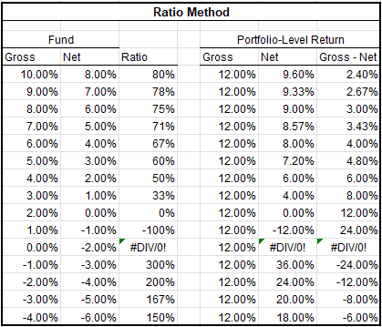

Differing from the Granular Methodology, the Gross Up Methodology should take into account:
i) All capital calls from fee-paying investors regardless of the use case (capital calls for investments, management fees, partnership expenses, etc., should all be included in the calculation.) ii) All distributions made by the fund to its fee-paying investors. iii) Fees, expenses and performance-based compensation that are added back to the cash flow stream as outflows (positive values); the effective date for these transactions may be either the accrual date or the paid date, left to the discretion of the GP. Note: When calculating the fund-level gross IRR with the impact of fund-level subscription facilities, any fees or expenses paid before the date of the first capital call should be moved to the date of the first capital call. iv) The value of the fee-paying investors' share of the quarter-end NAV. Any accrued, but not yet paid fees, expenses and carry should be added to the quarter-end NAV.

Fund-Level Gross MOIC/TVPI - Recommended
 |  | A simple example illustrating the Spread method is as follows:
Fund-Level Gross MOIC - Granular Methodology - Not used in this template |  | 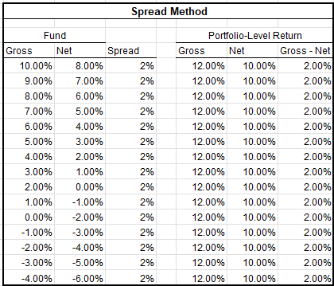

The fund-level gross multiple calculated using the Granular Methodology is referred to as the 'Fund-Level Gross MOIC' as this is a more accurate reflection of the values captured in the denominator of the multiple (i.e., only cash paid-in for the purposes of investment is captured in the denominator).

The Granular Fund-Level Gross MOIC means, as of the end of the applicable fiscal quarter:
1) The sum of i) The fee-paying investors' share of the quarter-end NAV, adjusted to remove the effect of fees, expenses and carry accrued or paid by the illiquid fund attributable to its fee-paying investors; and ii) The value of all distributions made by the illiquid fund to its fee-paying investors; 2) Divided by the capital contributed to the illiquid fund by its fee-paying investors for the purposes of investments.
The Fund-level Gross MOIC should be calculated both with and without the impact of fund-level subscription facilities.

Fund-Level Gross TVPI - Gross Up Methodology |  | Portfolio-Level Net MOIC - Required to comply with Marketing Rule

The fund-level gross multiple calculated using the Gross Up Methodology is referred to as the 'Gross TVPI' as this is a more accurate reflection of the values captured in the denominator of the multiple (i.e., all paid-in capital is captured in the denominator). |  | Similar to the Portfolio-Level Net IRR, the Portfolio-level Net MOIC is a synthetic calculation that can be calculated by applying the ratio or spread of the Fund-level Net TVPI:Fund-level Gross TVPI to the Realized Portfolio-Level Gross MOIC, the Unrealized Portfolio-Level Gross MOIC and the Total Portfolio-level Gross MOIC.

The Grossed-Up Gross TVPI means, as of the end of the applicable fiscal quarter:
1) The sum of i) The value of the fee-paying investors' share of the quarter end NAV; and ii) The value of all distributions made by the illiquid fund to its fee-paying investors; and iii) The value of all fees, expenses and carry accrued or paid by the illiquid fund attributable to its fee-paying investors; 2) Divided by the total capital contributed to the illiquid fund by its fee-paying investors for any purpose. Includes contributions occurring both inside and outside of commitment.
The Fund-level Gross TVPI should be calculated both with and without the impact of fund-level subscription facilities.

ILPA Performance Template - Gross Up Methodology (v. 1.0) – This packet was last updated on January 22, 2025

